PaymentEventSchedule
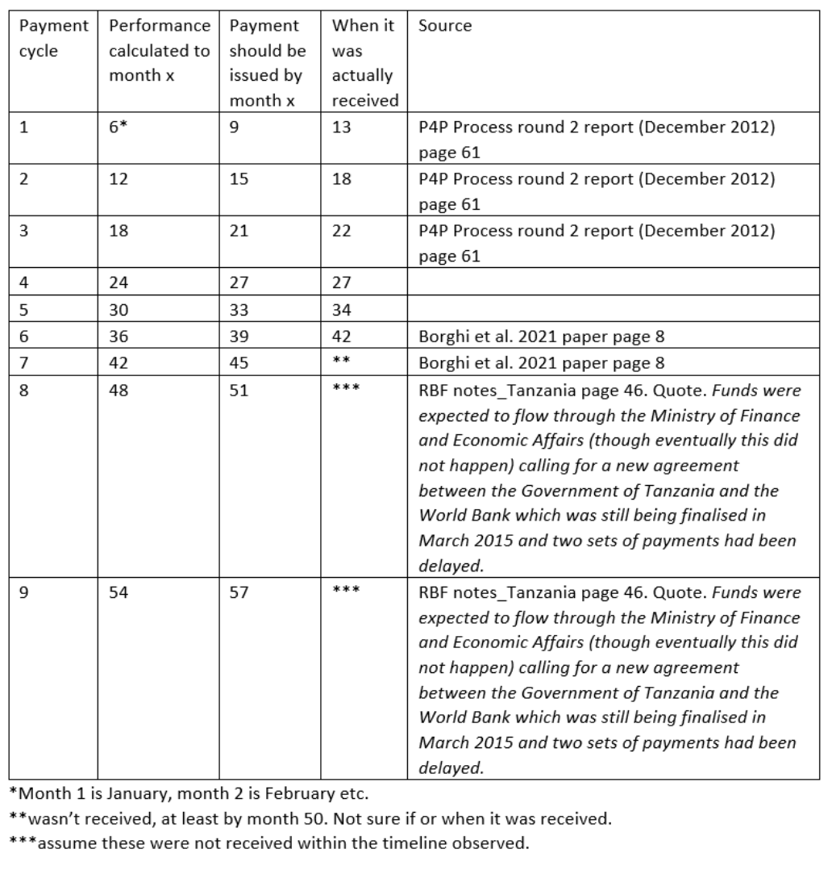
Payment Cycle | Performance Calculated to Month x | Payment should be issued by month x | When it was actually received | Delay
1 | 6 | 9 | 13 | 4
2 | 12 | 15 | 18 | 3
3 | 18 | 21 | 22 | 1
4 | 24 | 27 | 27 | 0
5 | 30 | 33 | 34 | 1
6 | 36 | 39 | 42 | 3
7 | 42 | 45 | >50 | 6
8 | 48 | 51
9 | 54 | 57

Parity census 12
Parity | Percentage | Fraction | Total | wi | PPR | Proportion
0 | 24.1 | 0.241 | 2899925.285 | 1 | 0.759 | 450
1 | 13.2 | 0.132 | 1588340.82 | 0.759 | 0.826 | 247
2 | 12.6 | 0.126 | 1516143.51 | 0.627 | 0.799 | 236
3 | 10.9 | 0.109 | 1311584.465 | 0.501 | 0.782 | 204
4 | 9.5 | 0.095 | 1143124.075 | 0.392 | 0.758 | 178
5 | 7.4 | 0.074 | 890433.49 | 0.297 | 0.751 | 139
6 | 6.3 | 0.063 | 758071.755 | 0.223 | 0.717 | 118
7 | 4.7 | 0.047 | 565545.595 | 0.16 | 0.706 | 88
8 | 3.7 | 0.037 | 445216.745 | 0.113 | 0.673 | 70
9 | 2.7 | 0.027 | 324887.895 | 0.076 | 0.645 | 51
10 | 4.9 | 0.049 | 589611.365 | 0.049 | 0.430 | 92
11 |  |  |  |  | 0.215
12 |  |  |  |  | 0
TOTAL | 100 | 1 | 12032885

 |  |  |  |  | 0.750

